Hiearchy View
CLASS: HAR ALERT SIGN
licensed low-power AM radio stations operated by departments of transportation, airports, local government, colleges, parks, events and destinations. |  | 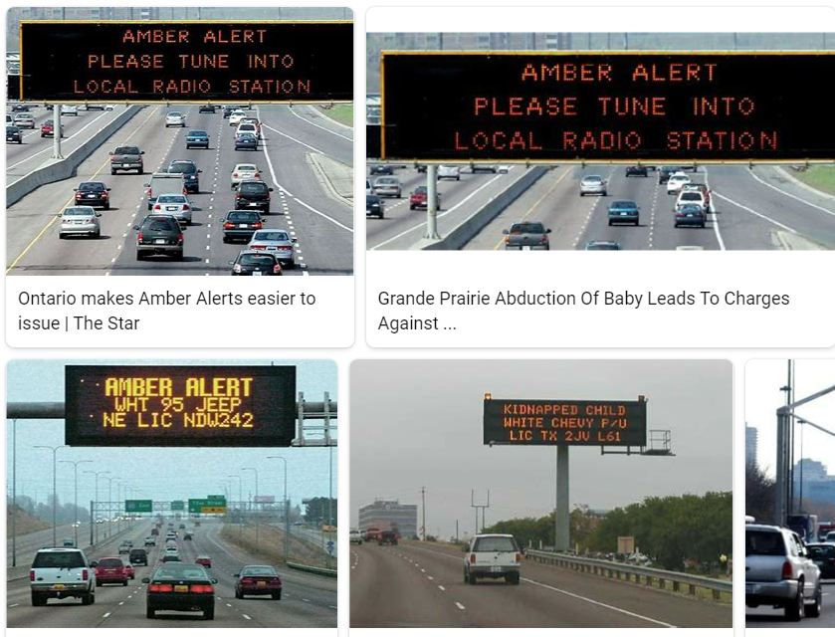
REMOVE | N

PROBLEM_DESC | CAUSE_DESC | REMEDY_DESC
BROKEN/DAMAGED
LIGHTING
OTHER PROBLEM
OVERHEATING
POWER-ELEC
STOPPED/SLOWED/POOR OPS
TEMP-CTRL
VIBRATION
Grand Total

